Example
Example:

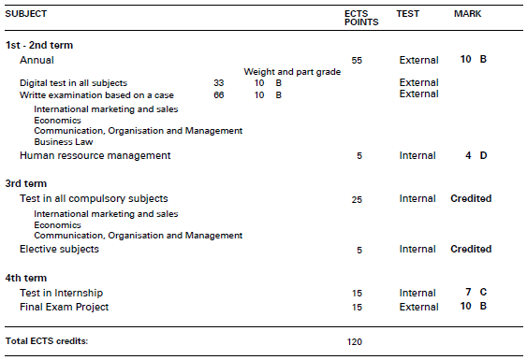

ECTS point | Karakter
55 | 10
5 | 4

15 | 7
15 | 10

Samlet ECTS | Vægtet gennemsnit
90 | 9.2

